Data Dictionary
Column | Description
coreid | Primary key (unique)
Institution | Univeristy that catalogued the row
dwc:catalogNumber | ID for the catalog
dwc:institutionCode | Institution
dwc:order | Order
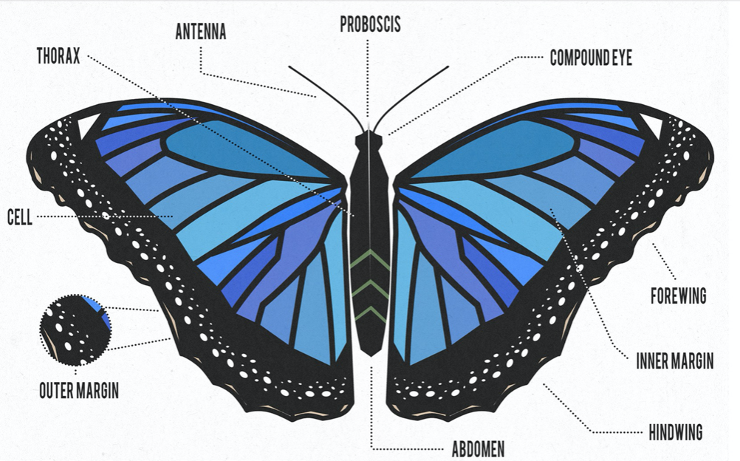
dwc:family | Family
dwc:genus | Genus
dwc:specificEpithet | Epithet
dwc:scientificName | Scientific name
dwc:typeStatus | Unknown, all values blank
dwc:sex | sex
SexUpdated | updated sex, more complete than dwc: sex
units | measurement units
unit/pixel conversion
LWingLength | Left wing length
LWingWidth | Left wing width
LBlackPatchApex | Left black patch apex
LAnteriorSpotM3 | Left anterior spot
LPosteriorSpotCu2 | Left Posterior Spot
LInterspotPA | Left Interspot
RWingLength | Right wing length
RWingWidth | Right wing width
RBlackPatchApex | Right black patch apex
RAnteriorSpotM3 | Right anterior spot
RPosteriorSpotCu2 | Right posterior spot
RInterspotPA | Right interspot
MorphologyNotes | Notes on morphology, anything missing, things to note about butterfly specimen
dwc:eventDate | event date
dwc:startDayOfYear | startDate
dwc:endDayOfYear | End day, mostly empty
dwc:day | dwc:eventDate separated day
dwc:month | dwc:eventDate separated month
dwc:year | dwc:eventDate separated year
dwc:verbatimEventDate | Event date as it appears, likely from from another document
YearUpdated | Year updated information
DayOfYearUpdated | Day of year updated
startDayofYearUpdated | Start day of year updated
endDayofYearUpdated | End day of year updated
dwc:higherGeography | Combined geographical location. Continent; Country; State; County; City
dwc:continent | Continent of observation
dwc:island | Island of observation
dwc:country | Country of observation
dwc:stateProvince | State or province of observation
dwc:county | County of observation
dwc:municipality | Municipality of observation
dwc:locality | Locality as stated by the observation
dwc:decimalLatitude | Latitude of observation
dwc:decimalLongitude | Longitude of observation
dwc:coordinateUncertaintyInMeters | Uncertainty of coordinate measure in meters
DecimalLatitudeUpdated | Updated latitude of observation
DecimalLongitudeUpdated | Updated longitude of observation
UncertaintyInMetersUpdatd | Updated uncertainty in meters
GeoreferenceSourcesUpdated | Updated source used to obtain georeference
GeoreferencedByUpdated | Updated georeference initials
GeoreferencingNotes | Notes about georeferencing
dwc:minimumElevationInMeters | Minimum possible elevation in meters
dwc:verbatimLatitude | Latitude of observation as stated by source
dwc:verbatimLongitude | Longitude of observation as stated by source
dwc:verbatimLocality | Locality of observation as stated by source
dwc:verbatimCoordinates | Coordinates of observation as stated by source
dwc:verbatimElevation | Elevation of observation as stated by source
dwc:georeferenceSources | Source of georeference
dwc:georeferenceRemarks | Remarks about the georeference
dwc:geodeticDatum | Datum/Coordinate plane of georeference
dwc:georeferenceProtocol | Georeference protocol
dwc:georeferencedDate | Date of georeference
dwc:georeferencedBy | Who did the georeferencing
dwc:georeferenceVerificationStatus | Status of verification of georeference
dwc:preparations | Tracking preparations
dwc:occurrenceRemarks | Remarks about preparations
dwc:individualCount | Count ofspecimen (1 or 2)
dwc:lifeStage | Stage of life of specimen
dwc:habitat | Habitat of specimen
dwc:datasetID | Dataset ID, where the dataset comes from or can be found
dwc:recordedBy | Who recorded the observation

Visualizations
Wingspan Over Time
 | Total
1821 | 25.326
1847 | 26.51375
1848 | 23.412
1859 | 26.987
1863 | 25.919
1864 | 26.113
1865 | 27.5555
1866 | 24.432
1876 | 24.363
1877 | 26.678333333
1878 | 26.027
1881 | 26.684
1884 | 26.222909091
1885 | 23.9508
1886 | 24.277
1887 | 24.028
1889 | 28.243666667
1890 | 23.061
1891 | 24.604833333
1892 | 27.322428571
1893 | 24.843
1894 | 25.606333333
1895 | 25.335090909
1896 | 26.046
1897 | 25.210666667
1898 | 25.109142857
1899 | 25.6806
1900 | 26.6686
1901 | 25.460142857
1902 | 25.0325
1903 | 23.7055
1904 | 24.473333333
1905 | 25.07275
1906 | 22.031
1907 | 27.5275
1910 | 26.348666667
1911 | 25.41
1912 | 27.868666667
1913 | 26.0137
1914 | 25.250233333
1915 | 25.061076923
1916 | 27.385
1918 | 25.0874
1919 | 24.61325
1920 | 26.692833333
1921 | 25.592240741
1922 | 25.6155
1923 | 25.264888889
1924 | 26.281666667
1925 | 24.700428571
...
 | female | male | unknown | (blank)
1821 | 26.43 | 24.222
1847 | 26.663166667 | 26.0655
1848 |  | 23.412
1859 | 27.259 | 26.715
1863 | 25.919
1864 | 26.113
1865 | 27.071 | 28.04
1866 | 23.69 | 25.174
1876 | 24.363
1877 | 25.3535 | 29.328
1878 |  | 26.027
1881 | 26.684
1884 | 25.618875 | 27.833666667
1885 | 23.926666667 | 23.987
1886 | 24.741 | 23.349
1887 |  | 24.028
1889 | 28.243666667
1890 |  | 23.061
1891 | 25.117333333 | 24.092333333
1892 | 28.24075 | 26.098
1893 | 24.632 | 25.054
1894 | 26.442 | 23.935
1895 | 25.191285714 | 25.58675
1896 | 25.1605 | 27.817
1897 | 26.55 | 24.541
1898 | 25.142 | 25.103666667
1899 | 24.909 | 28.767
1900 | 27.655666667 | 25.188
1901 | 27.41 | 23.99775
1902 | 24.511 | 25.206333333
1903 | 25.218 | 22.193
1904 | 23.8175 | 25.785 |  | 0
1905 | 25.6975 | 24.448
1906 | 23.56 | 21.2665
1907 | 27.5275
1910 |  | 27.0555 | 24.935
1911 |  | 25.41
1912 | 29.122333333 | 26.615
1913 | 25.717714286 | 26.704333333
1914 | 25.802117647 | 24.528538462
1915 | 24.2960625 | 25.59326087
1916 | 26.787 | 27.684
1918 | 24.477333333 | 26.0025
1919 | 24.012 | 25.2145
1920 | 27.039176471 | 26.239923077
1921 | 25.533714286 | 25.655269231
1922 | 25.867833333 | 25.237 |  | 0
1923 | 25.4074 | 25.08675
1924 | 28.931 | 24.957
1925 | 24.82725 | 24.531333333
...
Average Apex Over Time
1821 | 13.934 | 4.3425
1847 | 19.36325 | 16.829625
1848 | 1.98 | 2.477
1859 | 18.576 | 16.9915
1863 | 13.171 | 11.861
1864 | 6.788 | 6.964
1865 | 2.5395 | 2.8455
1866 | 0 | 0
1876 | 19.667 | 18.578
1877 | 7.155 | 6.9953333333
1878 | 15.646 | 14.275
1881 | 22.292 | 20.82
1884 | 7.0460909091 | 6.5632727273
1885 | 3.2588 | 2.6654
1886 | 10.765666667 | 6.3359
1887 | 2.044 | 2.1505
1889 | 6.4953333333 | 6.3106666667
1890 | 2.5825 | 3.144
1891 | 5.9410833333 | 4.7015
1892 | 12.144285714 | 10.613857143
1893 | 12.377 | 11.71825
1894 | 12.544666667 | 13.027666667
1895 | 7.9113636364 | 7.1289090909
1896 | 9.61 | 9.4023333333
1897 | 12.777 | 12.335333333
1898 | 8.0564285714 | 6.7711428571
1899 | 10.1484 | 9.7908
1900 | 13.3784 | 12.1276
1901 | 11.489714286 | 9.6772857143
1902 | 7.16425 | 4.83875
1903 | 6.00175 | 5.05525
1904 | 9.0873333333 | 2.9286666667
1905 | 3.9073333333 | 2.3543333333
1906 | 9.5363333333 | 7.8013333333
1907 | 14.5575 | 12.992
1910 | 10.583333333 | 9.832
1911 | 9.52 | 10.65
1912 | 8.3761666667 | 7.76
1913 | 8.44455 | 7.6281
1914 | 11.447033333 | 10.509433333
1915 | 10.671710526 | 8.9516666667
1916 | 5.3783333333 | 5.3976666667
1918 | 6.9728 | 6.9908
1919 | 4.7535 | 3.63275
1920 | 8.8414230769 | 7.137137931
1921 | 9.4648333333 | 8.6895925926
1922 | 7.9976666667 | 5.6721666667
1923 | 8.7817777778 | 6.6303333333
1924 | 1.977 | 1.785
1925 | 6.9672857143 | 6.2007142857
...

Graph shows the mean of wing length and width over time by gender | Graph shows Wingspan over time by gender | Graph shows Average Apex over time by gender

This Graph shows the mean of wing length and width over time by gender | This Graph shows the Wingspan over time by gender

